Definition Summary (Slides)
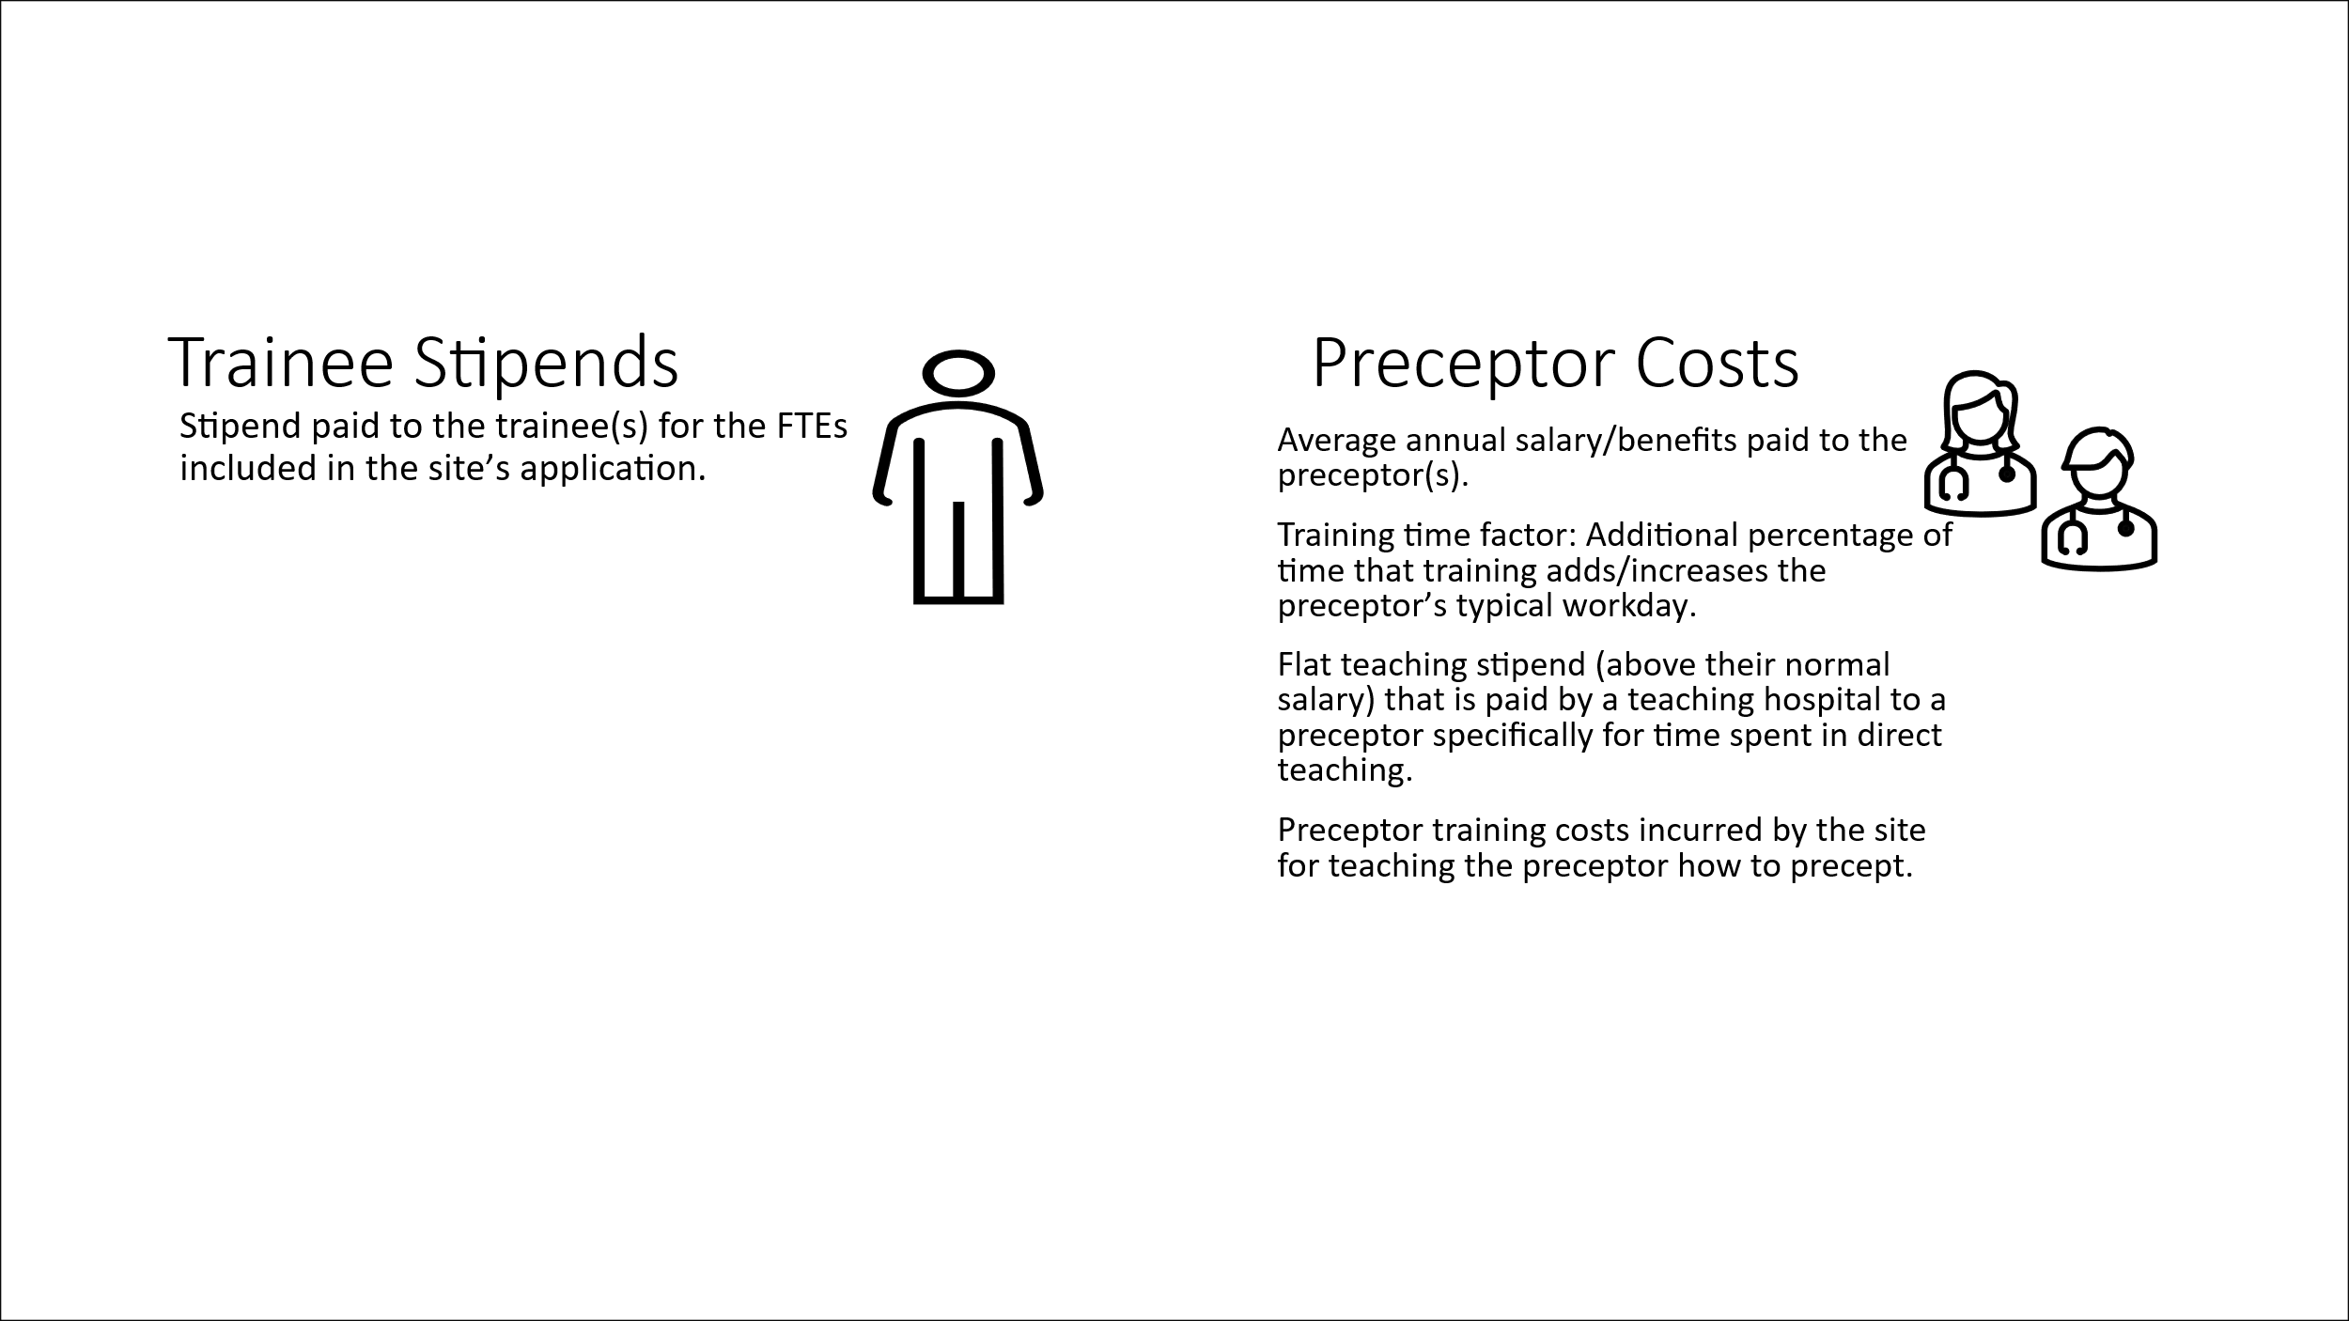
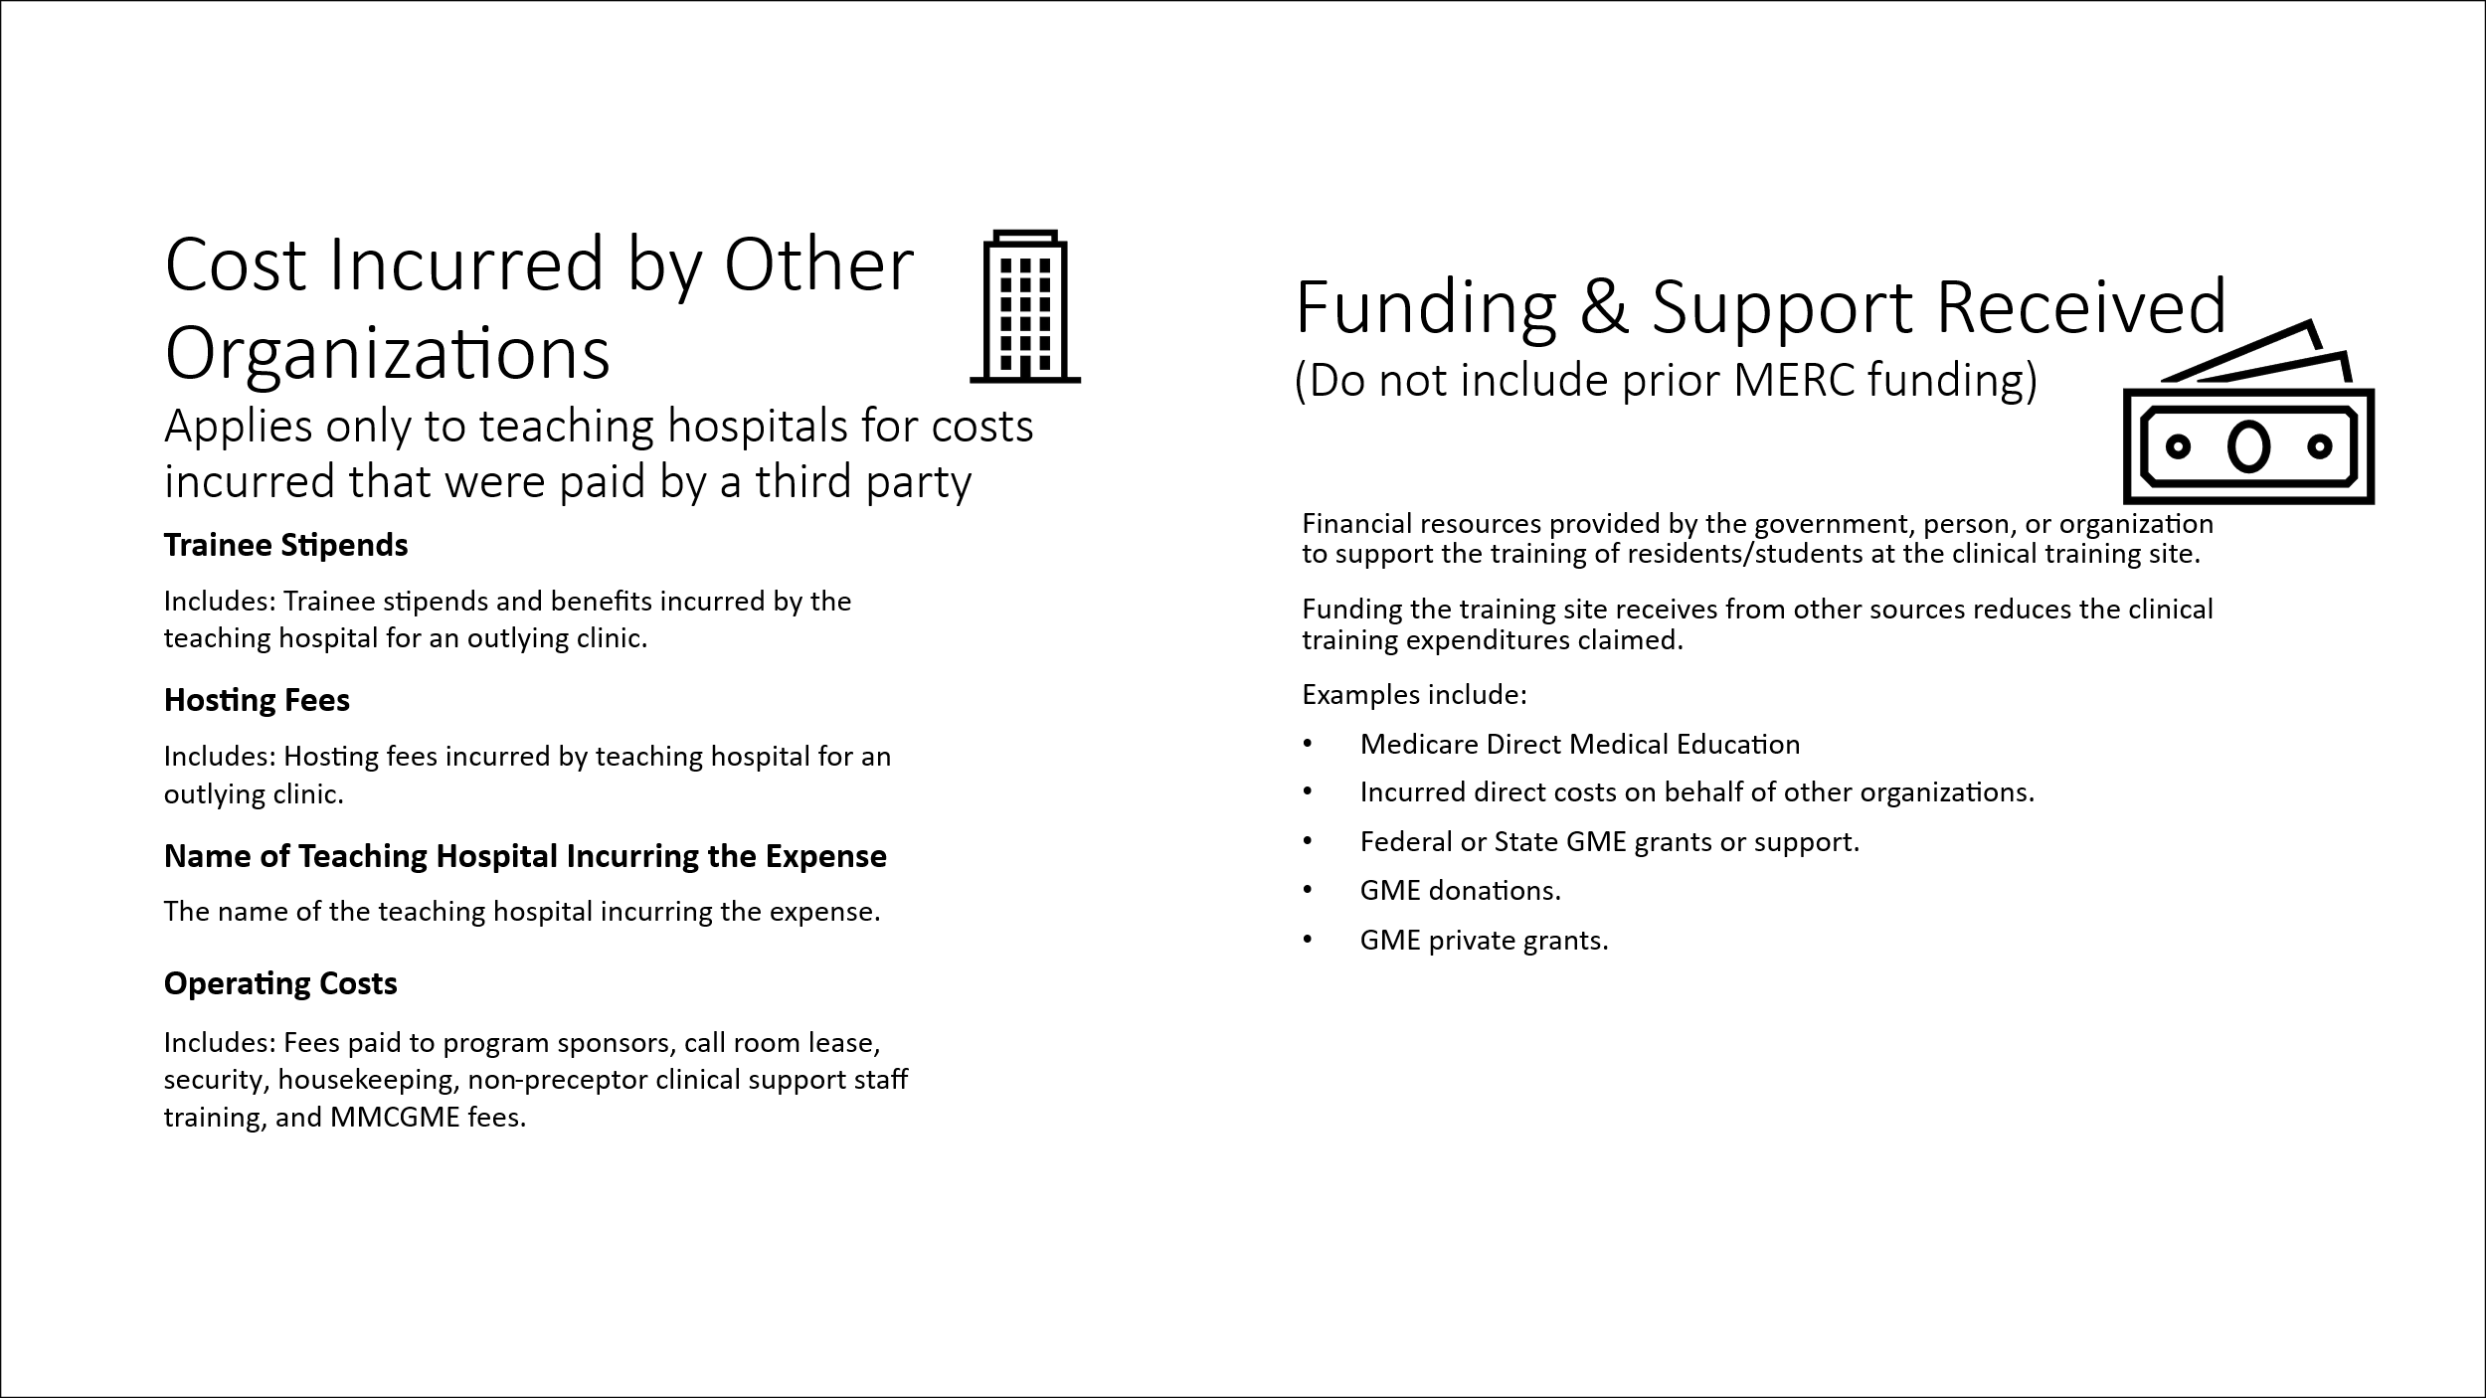
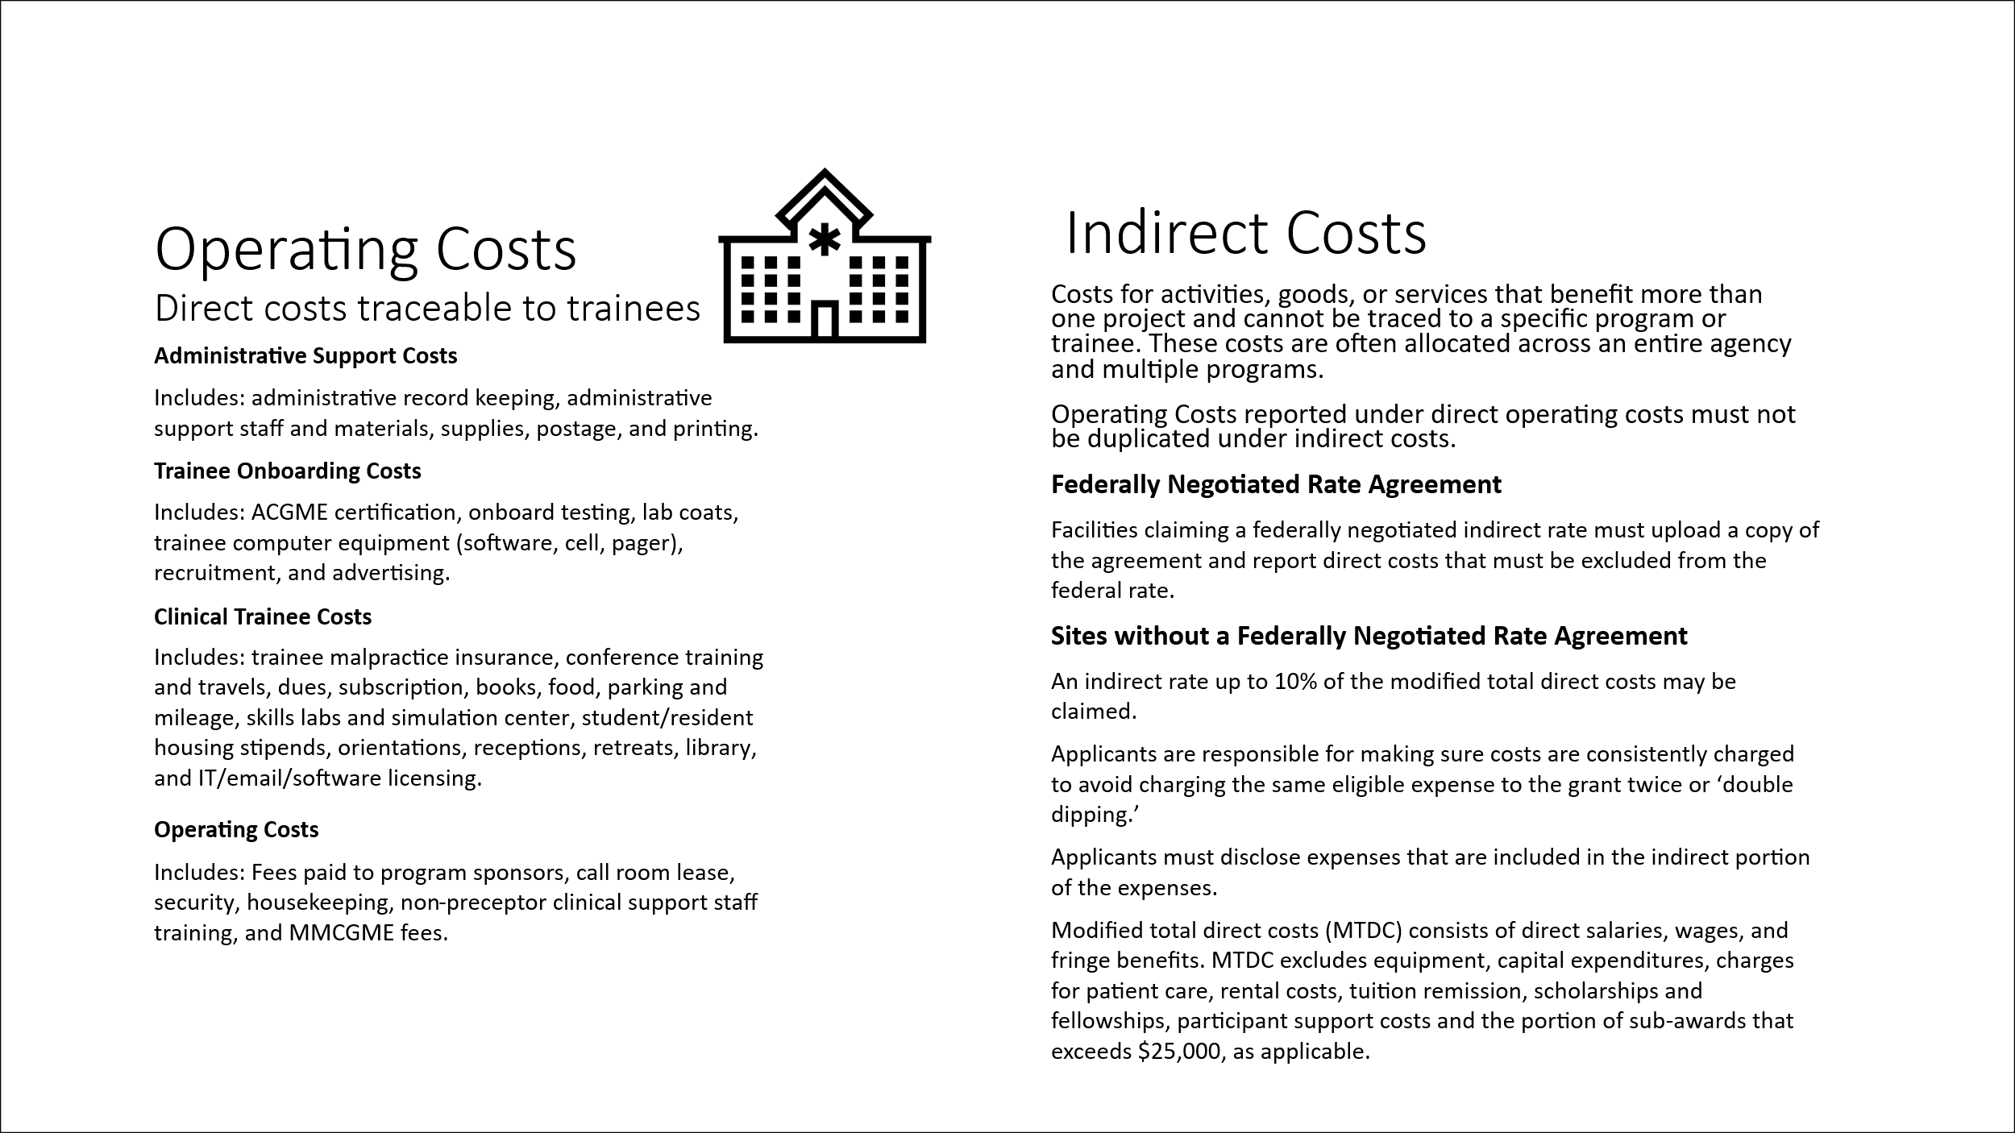
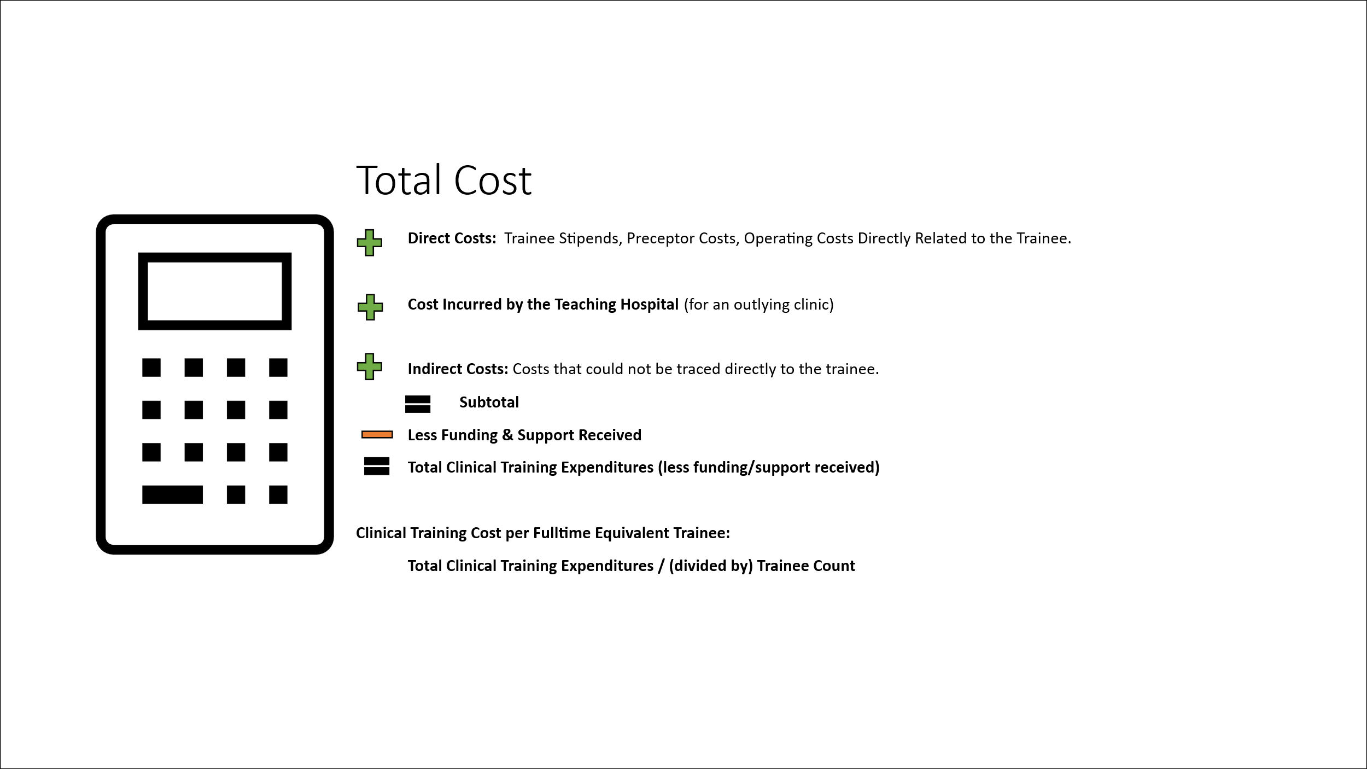
Scroll
Definitions Summary (Four Slides)

Preceptor Time Factor Examples
SCROLL | Preceptor Time Factor Reporting Methodology
 | Training sites must identify the methodology used in reporting their time factor.
 | Methodology A: Extra Time Added to the Preceptor’s Clinical Day for Precepting
 | o Formula calculation:

 | Example 1) Use Methodology A when precepting added an extra hour per day to the length of the providers workday (extending an 8-hour day by one hour). Entries can also reflect the preceptor’s standard annual FTE hours against the preceptor’s annual hours worked. The standard annual FTE hours is typically 2080 hours each year (40/hrs. per week X 52 weeks = 2080 total hrs. per year). The “Number of Precepting Hours (RH + PH) – RH” and “Preceptor Time Factor” field will automatically calculate.
 | Example 2) Methodology A can also be use if instead of working an extra hour, the preceptor saw fewer patients during their regular hours due to precepting (or seeing the same number of patients in the day when precepting takes place would add an extra hour per day).
 | Methodology B: Hospital Medicare Cost Report (Hospital only)
 | o Formula calculation:
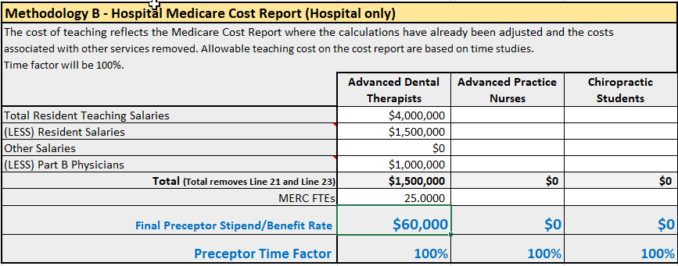

 | Methodology B should be use by hospital only. The cost of teaching reflects the Medicare Cost Report where the calculations have already been adjusted and the costs associated with other services removed. Allowable teaching cost on the cost report are based on time studies. Time factor will be 100%. In this example, the faculty/stipend benefit rate will be $60,000 corresponding to the respective trainee types in column D row 46 through 60 of the MERC Grant Expenditures Clinical Training Worksheet under the green “MERC Expenditure” tab.
 | Methodology C: Patient Care Department Data /Preceptor Time Studies
 | o Formula calculation:

 | In this example, teaching time factor for [trainee type] in a [hospital] is estimated at a minimum of [350/15/2] training hours per trainee based on time studies.

