Cover
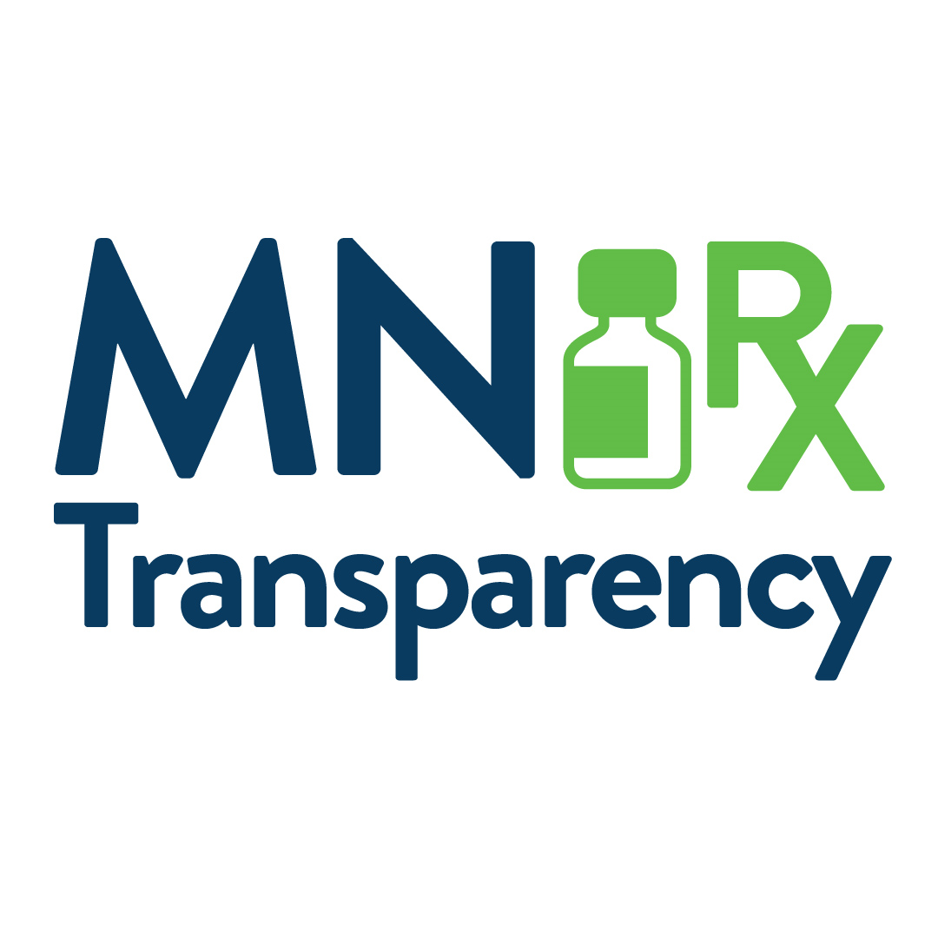
Title | List of Drugs of Substantial Public Interest, June 2024
Source | Minnesota Department of Health/Health Economics Program, implementation of Minnesota Statutes, section 62J.84, subd. 10
Date published | 2024-06-26
Description of List | The inaugural List of Drugs of Substantial Public Interest (Table 1) features 10 drug families containing a total of 364 drug products, listed by their National Drug Code (NDC), from 76 manufacturers. These 10 drug families include all pharmaceutically equivalent drug products on the market for comparison, with drug products across all strengths and package sizes. MDH selected the drug families having the greatest absolute difference between the total list price [i.e., wholesale acquisition cost (WAC)] and the total claims paid amount. The diversity of drug families on this list will allow MDH to better understand the prescription drug supply chain, including intermediary price increases and rebate dynamics.
Methodology | The inaugural List of Drugs of Substantial Public Interest focuses on the top 10 drug families that contain one or more drug products for which the average total claims paid amount was over $100 and at least 125% of the manufacturer’s list price, or WAC, as of the date the claim was incurred. The list includes all drug products within the identified drug families for market comparison, with all distinct drug products across all strengths and package sizes; drug products are listed by their National Drug Code (NDC). To develop this list, MDH analyzed pharmacy claims in the Minnesota All Payer Claims Database (MN APCD) that were incurred in the commercial market during 2022 together with WAC prices from Medi-Span reference data using the following steps: 1. MDH calculated the total claims paid amount and the total list price amount for each drug product for all active retail prescription drugs on a per-NDC basis. 2. MDH divided the total claims paid amount by the total list price amount for each drug product to determine the percentage difference between the two values. 3. Next, MDH filtered the list of drug products to those where the total claims paid amount was greater than 125% of the total list price amount and where the average amount paid per claim was greater than $100. 4. All drug products within the same drug family as one of the drugs on the resulting list were grouped and the total claims paid amounts and total list price amounts were aggregated for each drug family. 5. Finally, MDH selected the 10 drug families having the greatest dollar amount difference between total claims and the total list price for the final list.
Additional Information | For more detail on the reporting requirements, see the Form and Manner Reporting Guidance at:
 | https://www.health.state.mn.us/data/rxtransparency/rptgentities.html
MDH Contact | health.Rx@state.mn.us
 | www.health.state.mn.us/healtheconomics
 | Minnesota Department of Health
 | Health Economics Program
 | PO Box 64882
 | St. Paul, MN 55164-0975
 | (651) 201-4520
 | Upon request, this material will be made available in an alternative format such as large print, Braille or audio recording. Printed on recycled paper.

